ISACA
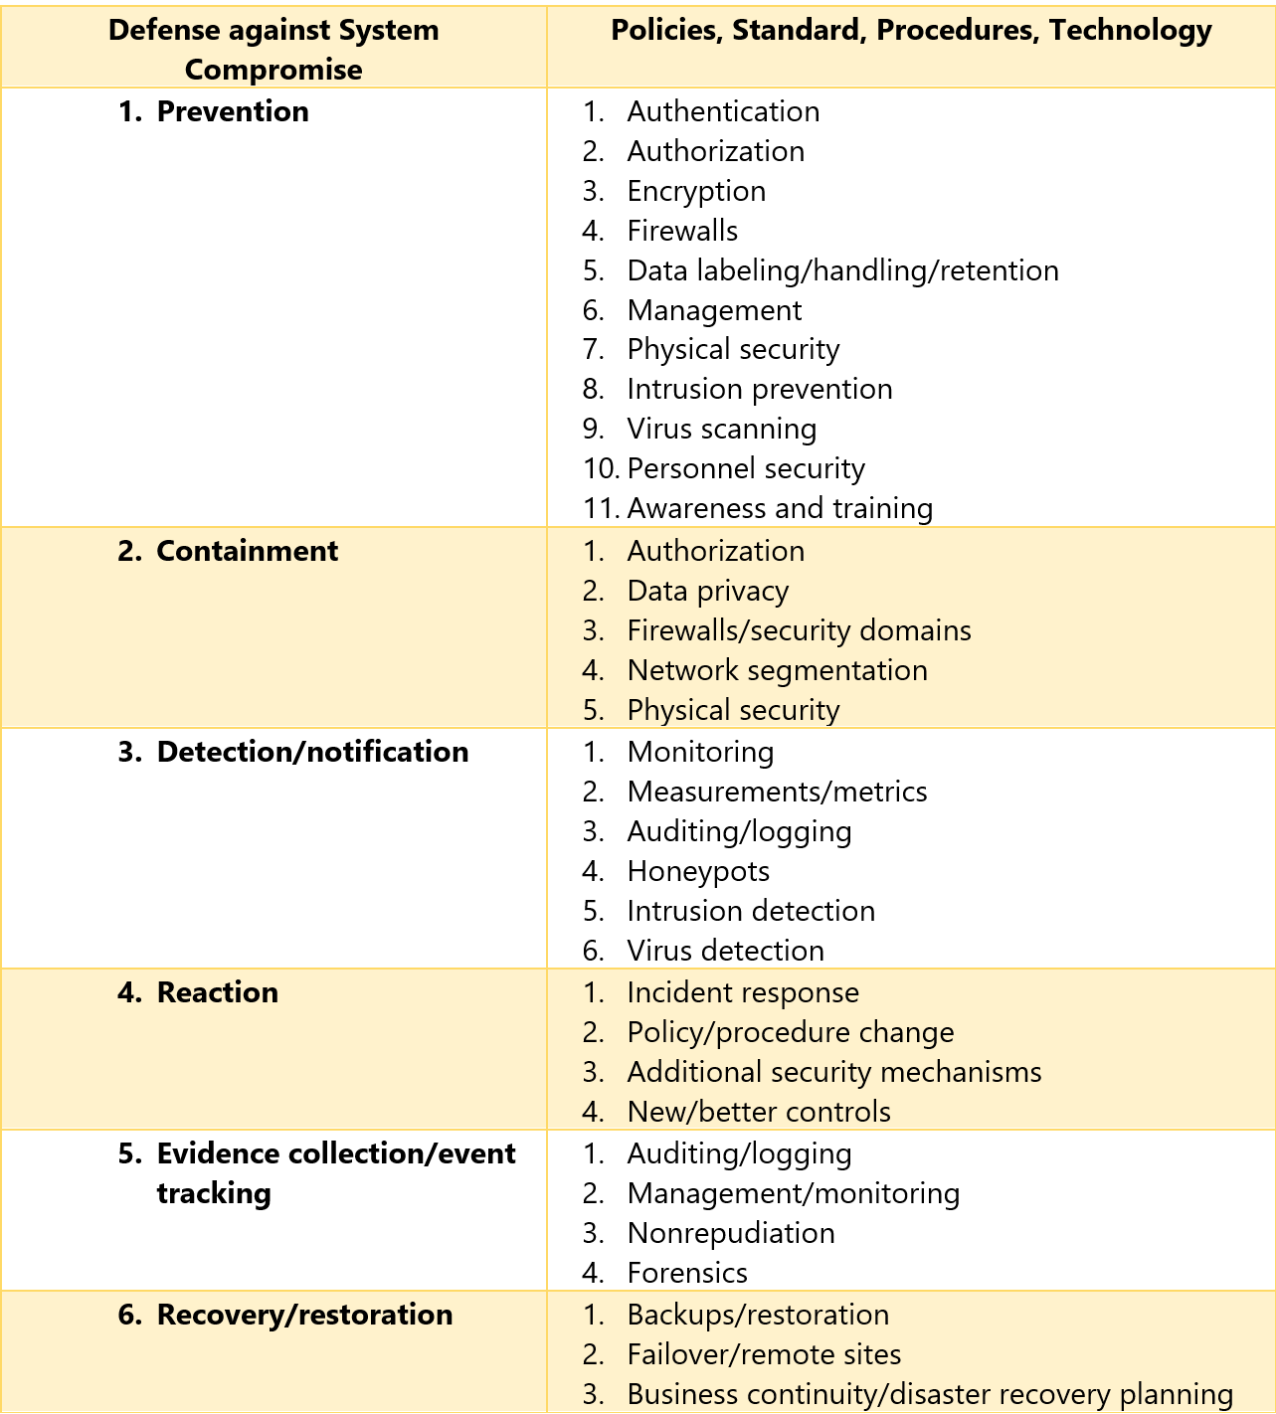
Figure 1.1 Relationship of Governance Elements

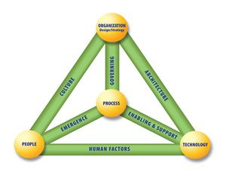
Figure 1.2 Business Model for Information Security (BMIS)

Figure 4.1: Incident Management Life Cycle Phases

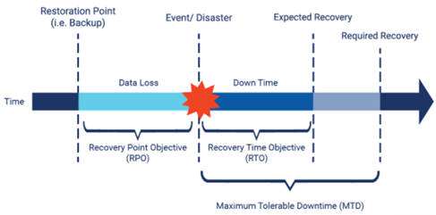

Figure 4.7. Relationship RTOs, RPOs, High Availability and Fault Tolerance
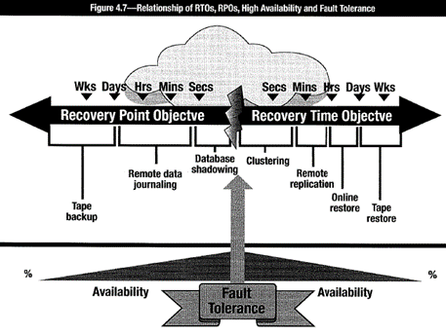

Figure 1.17 Defense in depth by Function

